Datailed Inquiry Information
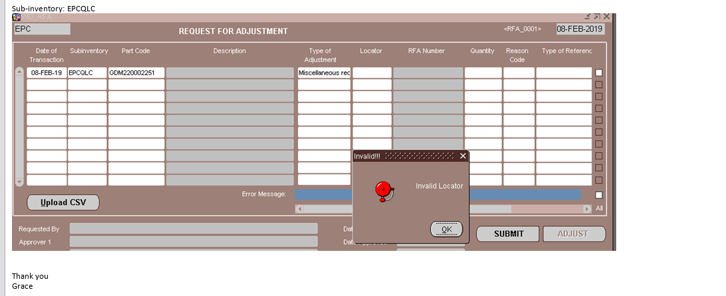
Datailed Inquiry Information

Actual Operation Evidence
Actual Operation Evidence

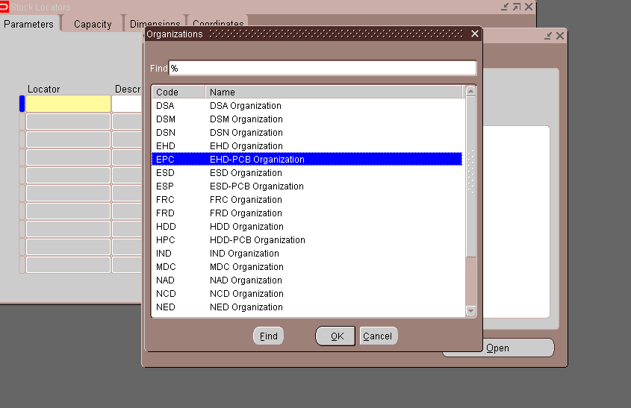

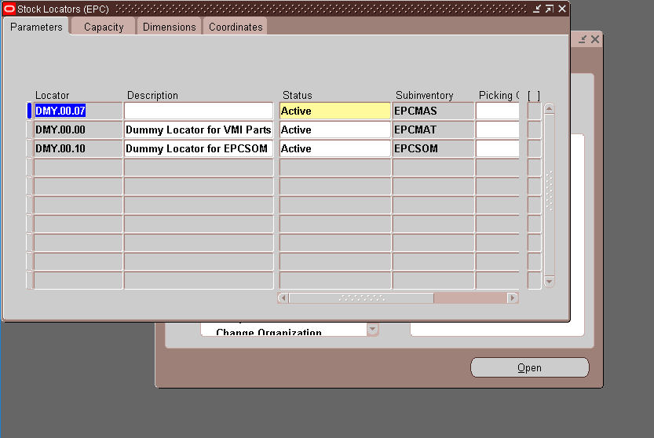

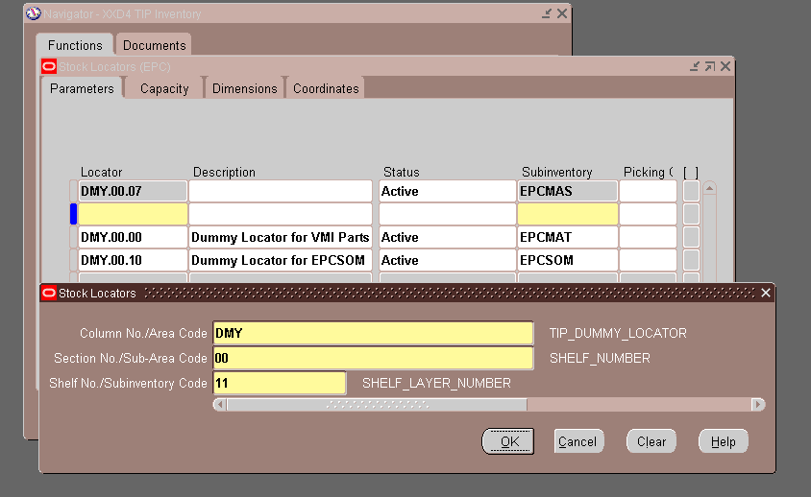

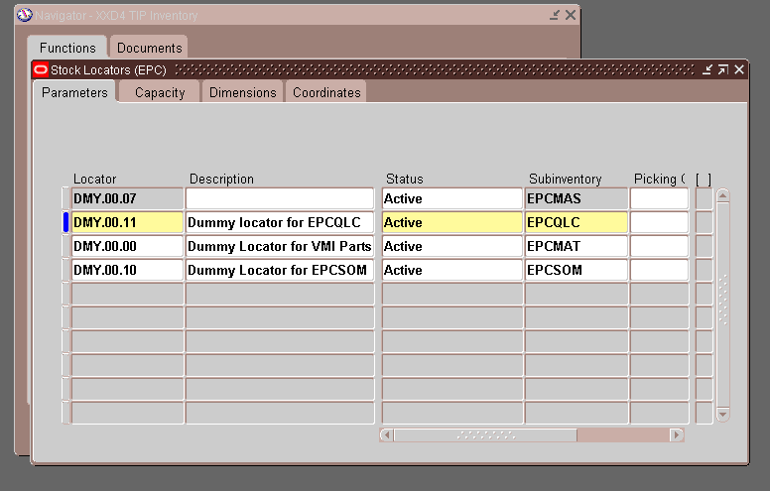

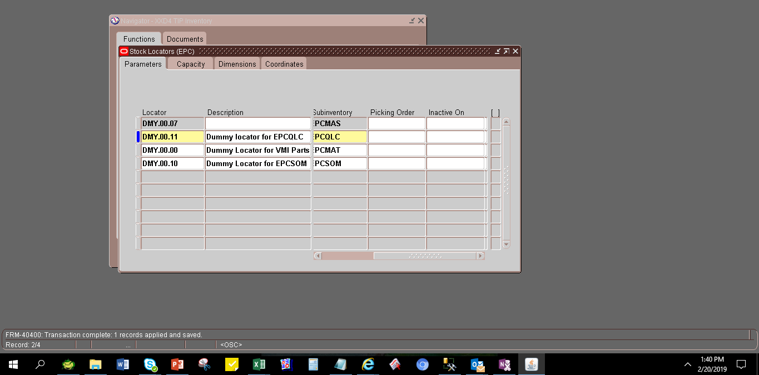

 | INVENTORY_LOCATION_ID | ORGANIZATION_ID | LAST_UPDATE_DATE | LAST_UPDATED_BY | CREATION_DATE | CREATED_BY | LAST_UPDATE_LOGIN | DESCRIPTION | DESCRIPTIVE_TEXT | DISABLE_DATE | INVENTORY_LOCATION_TYPE | PICKING_ORDER | PHYSICAL_LOCATION_CODE | LOCATION_MAXIMUM_UNITS | SUBINVENTORY_CODE | LOCATION_WEIGHT_UOM_CODE | MAX_WEIGHT | VOLUME_UOM_CODE | MAX_CUBIC_AREA | X_COORDINATE | Y_COORDINATE | Z_COORDINATE | INVENTORY_ACCOUNT_ID | SEGMENT1 | SEGMENT2 | SEGMENT3 | SEGMENT4 | SEGMENT5 | SEGMENT6 | SEGMENT7 | SEGMENT8 | SEGMENT9 | SEGMENT10 | SEGMENT11 | SEGMENT12 | SEGMENT13 | SEGMENT14 | SEGMENT15 | SEGMENT16 | SEGMENT17 | SEGMENT18 | SEGMENT19 | SEGMENT20 | SUMMARY_FLAG | ENABLED_FLAG | START_DATE_ACTIVE | END_DATE_ACTIVE | ATTRIBUTE_CATEGORY | ATTRIBUTE1 | ATTRIBUTE2 | ATTRIBUTE3 | ATTRIBUTE4 | ATTRIBUTE5 | ATTRIBUTE6 | ATTRIBUTE7 | ATTRIBUTE8 | ATTRIBUTE9 | ATTRIBUTE10 | ATTRIBUTE11 | ATTRIBUTE12 | ATTRIBUTE13 | ATTRIBUTE14 | ATTRIBUTE15 | REQUEST_ID | PROGRAM_APPLICATION_ID | PROGRAM_ID | PROGRAM_UPDATE_DATE | PROJECT_ID | TASK_ID | PHYSICAL_LOCATION_ID | PICK_UOM_CODE | DIMENSION_UOM_CODE | LENGTH | WIDTH | HEIGHT | LOCATOR_STATUS | STATUS_ID | CURRENT_CUBIC_AREA | AVAILABLE_CUBIC_AREA | CURRENT_WEIGHT | AVAILABLE_WEIGHT | LOCATION_CURRENT_UNITS | LOCATION_AVAILABLE_UNITS | INVENTORY_ITEM_ID | SUGGESTED_CUBIC_AREA | SUGGESTED_WEIGHT | LOCATION_SUGGESTED_UNITS | EMPTY_FLAG | MIXED_ITEMS_FLAG | DROPPING_ORDER | AVAILABILITY_TYPE | INVENTORY_ATP_CODE | RESERVABLE_TYPE | ALIAS
 | 340 | 124 | 2/14/2019 2:38:19 PM | 4862 | 5/26/2014 2:34:20 PM | 1090 | 75020 |  |  |  |  |  |  |  | EPCMAS |  |  |  |  |  |  |  |  | DMY | 00 | 07 |  |  |  |  |  |  |  |  |  |  |  |  |  |  |  |  |  | N | Y |  |  |  |  |  |  |  |  |  |  |  |  |  |  |  |  |  |  |  |  |  |  |  |  |  |  |  |  |  |  |  | 1 |  |  |  |  | 0 |  | 62460 |  |  |  | N | Y |  | 1 | 1 | 1
 | 341 | 124 | 2/20/2019 1:47:30 PM | 4862 | 5/26/2014 2:34:20 PM | 1090 | 75020 | Dummy Locator for VMI Parts |  |  |  |  |  |  | EPCMAT |  |  |  |  |  |  |  |  | DMY | 00 | 00 |  |  |  |  |  |  |  |  |  |  |  |  |  |  |  |  |  | N | Y |  |  |  |  |  |  |  |  |  |  |  |  |  |  |  |  |  |  |  |  |  |  |  |  |  |  |  |  |  |  |  | 1 |  |  |  |  | 0 |  | 838219 |  |  |  | N | Y |  | 1 | 1 | 1
 | 342 | 124 | 5/26/2014 2:34:20 PM | 1090 | 5/26/2014 2:34:20 PM | 1090 | 75020 | Dummy Locator for EPCSOM |  |  |  |  |  |  | EPCSOM |  |  |  |  |  |  |  |  | DMY | 00 | 10 |  |  |  |  |  |  |  |  |  |  |  |  |  |  |  |  |  | N | Y |  |  |  |  |  |  |  |  |  |  |  |  |  |  |  |  |  |  |  |  |  |  |  |  |  |  |  |  |  |  |  | 1 |  |  |  |  | 0 |  |  |  |  |  | Y | N |  | 1 | 1 | 1
 | 3403 | 124 | 2/20/2019 1:40:34 PM | 11809 | 2/20/2019 1:40:34 PM | 11809 | 30630334 | Dummy locator for EPCQLC |  |  |  |  |  |  | EPCQLC |  |  |  |  |  |  |  |  | DMY | 00 | 11 |  |  |  |  |  |  |  |  |  |  |  |  |  |  |  |  |  | N | Y |  |  |  |  |  |  |  |  |  |  |  |  |  |  |  |  |  |  |  |  |  |  |  |  |  |  |  |  |  |  |  | 1 |  |  |  |  | 0 |  |  |  |  |  | Y | N |  | 1 | 1 | 1

Helpdesk Request
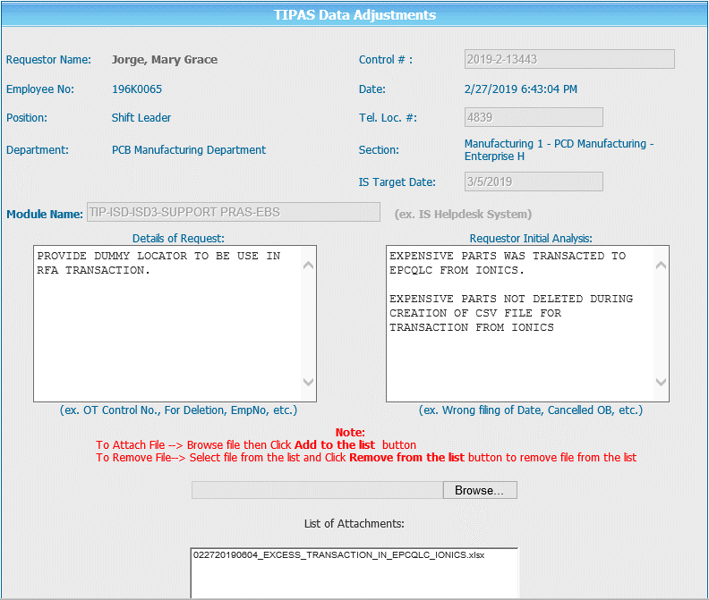
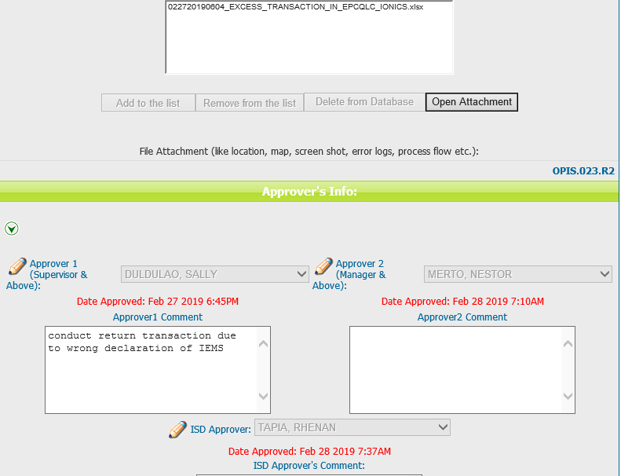
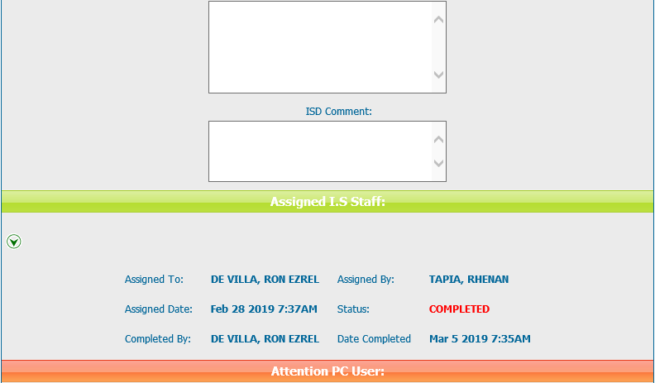
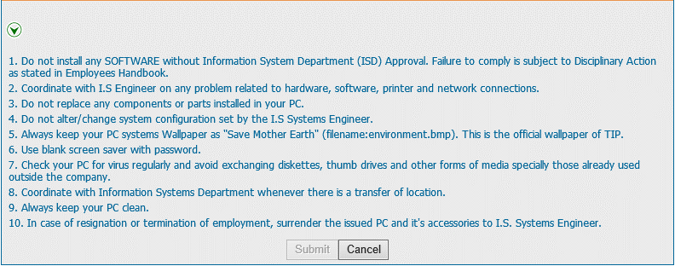
Helpdesk Request

 | ATTACH SCREENSHOT OF HELPDESK REQUEST.

